Details

 |  | Fixed Versus Variable - Rate Scenario Builder
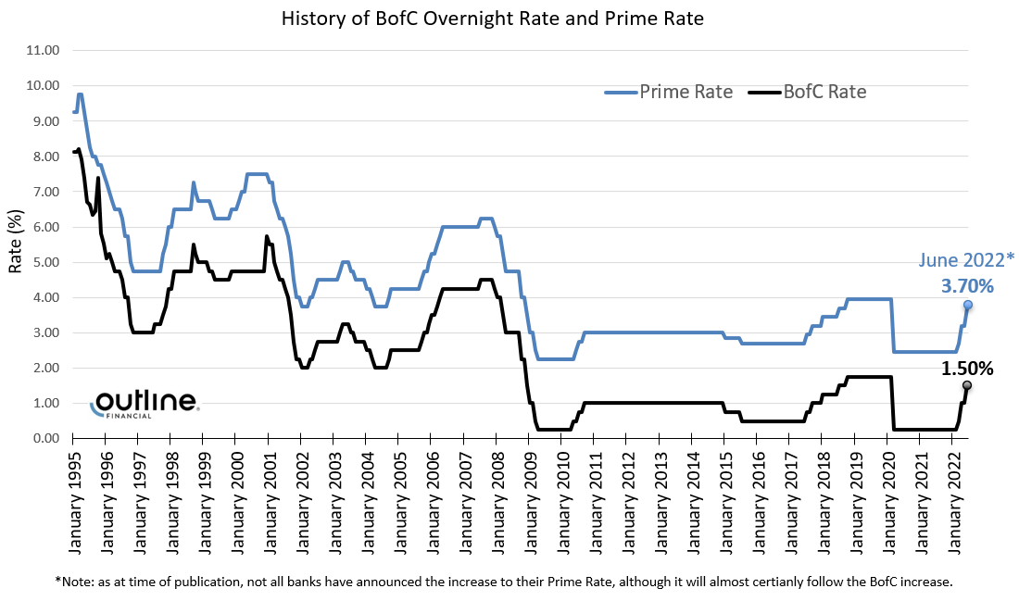

Mortgage Amount | $770,000.00

Amortization (Years) | 30

Fixed Rate Option |  |  |  | Variable Rate Option

5 Year Fixed Rate | 2.80% |  |  | RMG Prime Rate | 2.45%
 |  |  |  | Rate Discount | -1.00%
Total Rate | 2.80% |  |  | Total Rate | 1.45%

Monthly Payment | $3,157.26 |  |  | Monthly Payment | $2,637.39
Pre-Payment (Option) |  |  |  | Pre-Payment (Option)

Total Payment | $3,157.26 |  |  | Total Payment | $2,637.39

Please insert the increase / decrease to Prime in the box corresponding to the month where you believe it will be adjusted.
Example: Insert 0.25 if you believe it will increase, or -0.25 if you believe it will decrease a quarter point.

Payment Month | Insert | Payment Month | Insert | Payment Month | Insert
1 |  | 21 |  | 41
2 |  | 22 |  | 42
3 |  | 23 |  | 43
4 |  | 24 |  | 44
5 |  | 25 |  | 45
6 |  | 26 |  | 46
7 | 0.25 | 27 |  | 47 |  | Canadian Prime Rate
8 | 0.50 | 28 |  | 48 |  | Date | Rate
9 |  | 29 |  | 49 |  | December 7th, 2022 | 6.45%
10 | 0.50 | 30 |  | 50 |  | October 26, 2022 | 5.95%
11 |  | 31 |  | 51 |  | September 08, 2022 | 5.45%
12 | 1.00 | 32 |  | 52 |  | July 14, 2022 | 4.70%
13 |  | 33 |  | 53 |  | June 02, 2022 | 3.70%
14 | 1.00 | 34 |  | 54 |  | April 14, 2022 | 3.20%
15 |  | 35 |  | 55 |  | March 3, 2022 | 2.70%
16 |  | 36 |  | 56 |  | March 31, 2020 | 2.45%
17 |  | 37 |  | 57 |  | March 18, 2020 | 2.95%
18 |  | 38 |  | 58 |  | March 6, 2020 | 3.45%
19 |  | 39 |  | 59 |  | October 25, 2018 | 3.95%
20 |  | 40 |  | 60 |  | July 12, 2018 | 3.70%
 |  |  |  |  |  | January 18, 2018 | 3.45%
DISCLAIMER: This calculator is for educational purposes only. |  |  |  |  |  | September 7, 2017 | 3.20%
Rates may change or vary with or without notice based on qualifications. |  |  |  |  |  | July 13, 2017 | 2.95%
Prime rates will change or vary based on future circumstances which are impossible to predict and are based on hypothetical assumptions only. |  |  |  |  |  | July 24, 2015 | 2.70%
Please contact your Business Development Manager for questions and/or clarification. |  |  |  |  |  | February 2, 2015 | 2.85%
 |  |  |  |  |  | September 8, 2010 | 3.00%
 |  |  |  |  |  | July 20, 2010 | 2.75%
 |  |  |  |  |  | June 2, 2010 | 2.50%
 |  |  |  |  |  | April 22, 2009 | 2.25%
 |  |  |  |  |  | March 04, 2009 | 2.50%
 |  |  |  |  |  | January 21, 2009 | 2.75%
 |  |  |  |  |  | December 10, 2008 | 3.25%
 |  |  |  |  |  | October 22, 2008 | 4.00%
 |  |  |  |  |  | October 9, 2008 | 4.25%
 |  |  |  |  |  | April 23, 2008 | 4.75%
 |  |  |  |  |  | March 05, 2008 | 5.25%
 |  |  |  |  |  | January 23, 2008 | 5.75%
 |  |  |  |  |  | December 5, 2007 | 6.00%
 |  |  |  |  |  | July 10, 2007 | 6.25%
 |  |  |  |  |  | May 24, 2006 | 6.00%
 |  |  |  |  |  | April 25, 2006 | 5.75%
 |  |  |  |  |  | March 7, 2006 | 5.50%
 |  |  |  |  |  | January 25, 2006 | 5.25%
 |  |  |  |  |  | December 6, 2005 | 5.00%
 |  |  |  |  |  | October 19, 2005 | 4.75%
 |  |  |  |  |  | September 7, 2005 | 4.50%
 |  |  |  |  |  | October 20, 2004 | 4.25%

 |  |  |  |  |  | Rate changes since September 1, 2004.

Summary
 |  | Scenario Summary

 | Fixed | Variable | Difference
Average Monthly Payment | 3,157.26 | 3,709.36 | 552.10
Total Payments over Term | 189,435.60 | 222,561.71 | 33,126.11
Total Principal Paid | 88,149.58 | 73,102.97 | 15,046.61
Total Interest Paid | 101,286.02 | 149,458.74 | 48,172.72
Principal Ending Balance | 681,850.42 | 696,897.03 | 15,046.61

 |  | Net Savings | $48,172.72

In this scenario, a Fixed rate mortgage would be the best decision based on an overall net savings of ₹ 48,172.72 over the term.

This savings is realized through an increased reduction of the principal balance by ₹ 15,046.61 and ₹ 33,126.11 less in mortgage

payments made over the term.

Fixed vs. Variable - Monthly Principal and Interest
 | Principal (Fixed) | Interest (Fixed) | Principal (Variable) | Interest (Variable)
 | 1,370.99 | 1,786.27 | 1,709.77 | 927.62
 | 1,374.17 | 1,783.09 | 1,711.83 | 925.56
 | 1,377.35 | 1,779.91 | 1,713.89 | 923.50
 | 1,380.55 | 1,776.71 | 1,715.96 | 921.43
 | 1,383.75 | 1,773.51 | 1,718.03 | 919.36
 | 1,386.96 | 1,770.30 | 1,720.10 | 917.29
 | 1,390.18 | 1,767.08 | 1,655.81 | 1,072.46
 | 1,393.40 | 1,763.86 | 1,531.40 | 1,383.44
 | 1,396.64 | 1,760.62 | 1,534.20 | 1,380.64
 | 1,399.88 | 1,757.38 | 1,418.06 | 1,689.25
 | 1,403.12 | 1,754.14 | 1,421.23 | 1,686.08
 | 1,406.38 | 1,750.88 | 1,208.45 | 2,301.45
 | 1,409.64 | 1,747.62 | 1,212.15 | 2,297.75
 | 1,412.91 | 1,744.35 | 1,026.91 | 2,908.09
 | 1,416.19 | 1,741.07 | 1,030.89 | 2,904.11
 | 1,419.47 | 1,737.79 | 1,034.89 | 2,900.11
 | 1,422.77 | 1,734.49 | 1,038.90 | 2,896.10
 | 1,426.07 | 1,731.19 | 1,042.93 | 2,892.07
 | 1,429.38 | 1,727.88 | 1,046.98 | 2,888.02
 | 1,432.69 | 1,724.57 | 1,051.04 | 2,883.96
 | 1,436.02 | 1,721.24 | 1,055.12 | 2,879.88
 | 1,439.35 | 1,717.91 | 1,059.21 | 2,875.79
 | 1,442.69 | 1,714.57 | 1,063.32 | 2,871.68
 | 1,446.03 | 1,711.23 | 1,067.44 | 2,867.56
 | 1,449.39 | 1,707.87 | 1,071.58 | 2,863.42
 | 1,452.75 | 1,704.51 | 1,075.74 | 2,859.26
 | 1,456.12 | 1,701.14 | 1,079.91 | 2,855.09
 | 1,459.50 | 1,697.76 | 1,084.10 | 2,850.90
 | 1,462.88 | 1,694.38 | 1,088.31 | 2,846.69
 | 1,466.28 | 1,690.98 | 1,092.53 | 2,842.47
 | 1,469.68 | 1,687.58 | 1,096.76 | 2,838.24
 | 1,473.09 | 1,684.17 | 1,101.02 | 2,833.98
 | 1,476.51 | 1,680.75 | 1,105.29 | 2,829.71
 | 1,479.93 | 1,677.33 | 1,109.58 | 2,825.42
 | 1,483.36 | 1,673.90 | 1,113.88 | 2,821.12
 | 1,486.81 | 1,670.45 | 1,118.20 | 2,816.80
 | 1,490.25 | 1,667.01 | 1,122.54 | 2,812.46
 | 1,493.71 | 1,663.55 | 1,126.89 | 2,808.11
 | 1,497.18 | 1,660.08 | 1,131.26 | 2,803.74
 | 1,500.65 | 1,656.61 | 1,135.65 | 2,799.35
 | 1,504.13 | 1,653.13 | 1,140.06 | 2,794.94
 | 1,507.62 | 1,649.64 | 1,144.48 | 2,790.52
 | 1,511.12 | 1,646.14 | 1,148.92 | 2,786.08
 | 1,514.62 | 1,642.64 | 1,153.37 | 2,781.63
 | 1,518.14 | 1,639.12 | 1,157.85 | 2,777.15
 | 1,521.66 | 1,635.60 | 1,162.34 | 2,772.66
 | 1,525.19 | 1,632.07 | 1,166.85 | 2,768.15
 | 1,528.73 | 1,628.53 | 1,171.37 | 2,763.63
 | 1,532.27 | 1,624.99 | 1,175.92 | 2,759.08
 | 1,535.83 | 1,621.43 | 1,180.48 | 2,754.52
...

DISCLAIMER: This calculator is for educational purposes only.
Rates may change or vary with or without notice based on qualifications.
Prime rates will change or vary based on future circumstances which are impossible to predict and are based on hypothetical assumptions only.
Please contact your Business Development Manager for questions and/or clarification.

